Case #1
Justin Pope Dev Test
Test Case No. | 1
Process | Unit Testing
Test Consideration | 1)
Test Condition |  | Data Used | How To Verify | Actual Results
Tasks
 | Testing below
Configuration/Data Setup for Testing Scenario
Verification
Test Cast Screens Shots Before and After

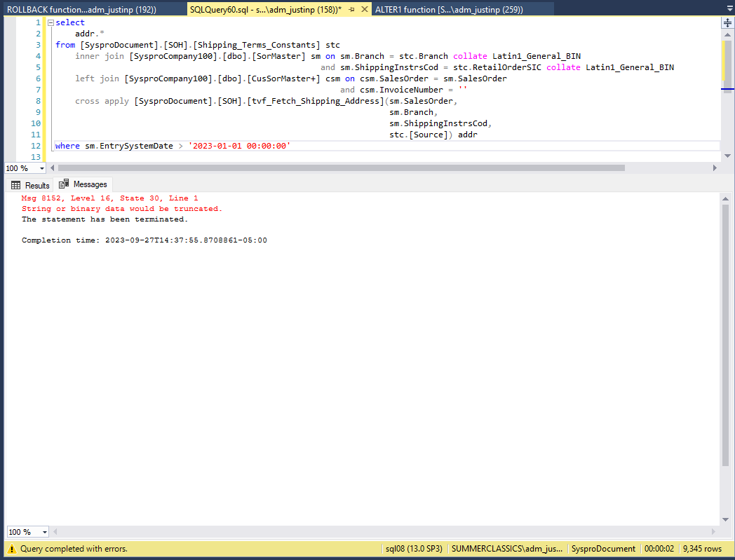

 | The following shows that the DeliveryInfo column has been mapped for the delivery phone number | Also values that were being populated for the ShipDescription were too long

 | As for the issue for this problem data validation has been made to confirm that the values returned are not causing this issue. The following has been identified:
 | ShippingDescription
 | DeliveryPhoneNumber

 | addressing these issue the test query executes with no issues

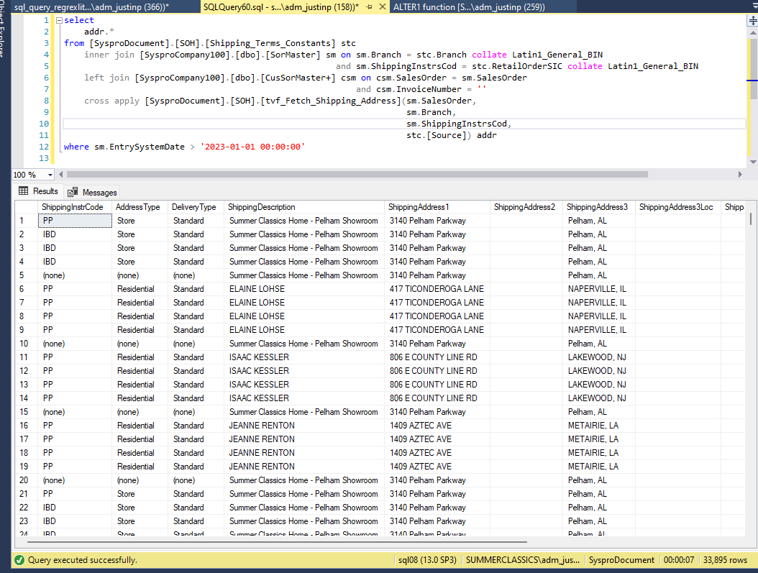

 | The solution I am opting for is that of casting the DeliveryInfo due to the following query of data

 | narrowing the data down to the last few months

